RAW DATA 2
BRANCH PERFOMANCE
DATE | NAKURU | KIRATHIMO | NAIROBI | RUIRU | ELDORET | ONLINE | TOTAL SALES | DAY TYPE
2025-11-01 | 38550 | 8100 | 133200 | 65500 | 30800 | 126700 | 402850 | HIGH SALES DAY
2025-11-02 | 15200 |  | 31600 | 18700 | 11000 |  | 76500 | LOW SALES DAY
2025-11-03 | 61650 | 8500 | 179850 | 70550 | 50050 | 148600 | 519200 | HIGH SALES DAY
2025-11-04 | 60050 | 10200 | 145300 | 70600 | 70800 | 130900 | 487850 | HIGH SALES DAY
2025-11-05 | 45800 | 8300 | 223650 | 56200 | 59250 | 148350 | 541550 | HIGH SALES DAY
2025-11-06 | 53750 | 14750 | 136600 | 71650 | 41050 | 180300 | 498100 | HIGH SALES DAY
2025-11-07 | 34900 | 8600 | 151050 | 78050 | 49700 | 133100 | 455400 | HIGH SALES DAY
2025-11-08 | 45300 | 3700 | 164190 | 110150 | 8800 | 159000 | 491140 | HIGH SALES DAY
2025-11-09 | 0 | 0 | 35600 | 5750 | 700 | 0 | 42050 | LOW SALES DAY
2025-11-10 | 53950 | 7200 | 171800 | 61450 | 53950 | 231650 | 580000 | HIGH SALES DAY
2025-11-11 | 30550 | 11500 | 189800 | 43650 | 57650 | 108300 | 441450 | HIGH SALES DAY
2025-11-12 | 48350 | 4700 | 145800 | 54050 | 49150 | 158300 | 460350 | HIGH SALES DAY
2025-11-13 | 51035 | 9900 | 157250 | 31400 | 33800 | 139450 | 422835 | HIGH SALES DAY
2025-11-14 | 69635 | 6750 | 106850 | 83500 | 33250 | 134500 | 434485 | HIGH SALES DAY
2025-11-15 | 49750 | 4150 | 174600 | 38150 | 30500 | 115550 | 412700 | HIGH SALES DAY
2025-11-16 |  |  | 10500 |  | 6300 |  | 16800 | LOW SALES DAY
2025-11-17 | 68950 | 15250 | 161300 | 51900 | 80500 | 176700 | 554600 | HIGH SALES DAY
2025-11-18 | 25950 | 6000 | 136900 | 31050 | 34200 | 160000 | 394100 | HIGH SALES DAY
DAILY COMPARISON
11/1/2025 | 402850
11/2/2025 | 76500
11/3/2025 | 519200
11/4/2025 | 487850
11/5/2025 | 541550
11/6/2025 | 498100
11/7/2025 | 455400
11/8/2025 | 491140
11/9/2025 | 42050
11/10/2025 | 580000
11/11/2025 | 441450
11/12/2025 | 460350
11/13/2025 | 422835
11/14/2025 | 434485
11/15/2025 | 412700
11/16/2025 | 16800
11/17/2025 | 554600
11/18/2025 | 394100
11/19/2025 | 503850
11/20/2025 | 427750
11/21/2025 | 475250
11/22/2025 | 0
11/23/2025 | 0
11/24/2025 | 638750
11/25/2025 | 506600
11/26/2025 | 429500
11/27/2025 | 500250
11/28/2025 | 502900
11/29/2025 | 449250
11/30/2025 | 33750
2025-11-19 | 50650 | 6550 | 138800 | 68800 | 62400 | 176650 | 503850 | HIGH SALES DAY
2025-11-20 | 59200 | 13400 | 149200 | 35850 | 57100 | 113000 | 427750 | HIGH SALES DAY
2025-11-21 | 43550 | 9800 | 170900 | 60950 | 23750 | 166300 | 475250 | HIGH SALES DAY
2025-11-22 | 0 | 0 | 0 | 0 | 0 | 0 | 0 | LOW SALES DAY
2025-11-23 | 0 | 0 | 0 | 0 | 0 | 0 | 0 | LOW SALES DAY
2025-11-24 | 59200 | 14000 | 140600 | 88050 | 73050 | 263850 | 638750 | HIGH SALES DAY
2025-11-25 | 29600 | 9500 | 119250 | 63750 | 65100 | 219400 | 506600 | HIGH SALES DAY
2025-11-26 | 37000 | 12600 | 130650 | 67600 | 56450 | 125200 | 429500 | HIGH SALES DAY
2025-11-27 | 61550 | 6650 | 184400 | 84100 | 39350 | 124200 | 500250 | HIGH SALES DAY
2025-11-28 | 43550 | 7250 | 230400 | 46050 | 53250 | 122400 | 502900 | HIGH SALES DAY
2025-11-29 | 77400 | 4750 | 158800 | 62500 | 27600 | 118200 | 449250 | HIGH SALES DAY
2025-11-30 | 4200 | 0 | 11350 | 7500 | 10700 | 0 | 33750 | LOW SALES DAY

CONTRIBUTION TO TOTAL SALES
TOTAL SALES | 1,219,270.00 | 212,100.00 | 3,890,190.00 | 1,527,450.00 | 1,170,200.00 | 3,680,600.00 | 11,699,810.00
AVERAGE | 42,043.79 | 7,575.00 | 129,673.00 | 52,670.69 | 39,006.67 | 131,450.00 | 389,993.67
STANDARD DEVIATION | 21,225.88 | 4,341.42 | 63,242.43 | 27,323.15 | 23,052.42 | 64,521.52 | 188,574.74
MINIMUM | 0 | 0 | 0 | 0 | 0 | 0 | 0
MAXIMUM | 77,400.00 | 15,250.00 | 230,400.00 | 110,150.00 | 80,500.00 | 263,850.00 | 638,750.00

DATA VISUALIZATION
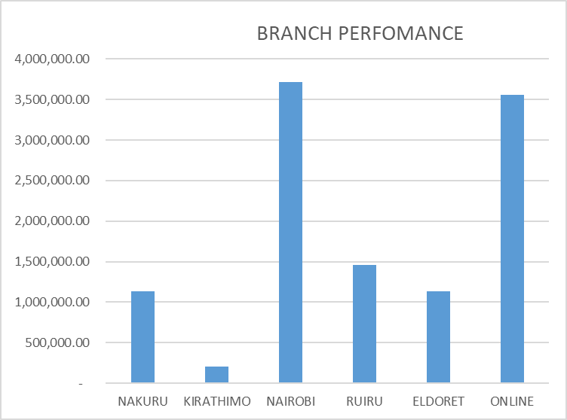
DAILY COMPARISON
11/1/2025 | 402850
11/2/2025 | 76500
11/3/2025 | 519200
11/4/2025 | 487850
11/5/2025 | 541550
11/6/2025 | 498100
11/7/2025 | 455400
11/8/2025 | 491140
11/9/2025 | 42050
11/10/2025 | 580000
11/11/2025 | 441450
11/12/2025 | 460350
11/13/2025 | 422835
11/14/2025 | 434485
11/15/2025 | 412700
11/16/2025 | 16800
11/17/2025 | 554600
11/18/2025 | 394100
11/19/2025 | 503850
11/20/2025 | 427750
11/21/2025 | 475250
11/22/2025 | 0
11/23/2025 | 0
11/24/2025 | 638750
11/25/2025 | 506600
11/26/2025 | 429500
11/27/2025 | 500250
11/28/2025 | 502900
11/29/2025 | 449250
11/30/2025 | 33750

CONTRIBUTION TO TOTAL SALES
NAKURU | 1,219,270.00
KIRATHIMO | 212,100.00
NAIROBI | 3,890,190.00
RUIRU | 1,527,450.00
ELDORET | 1,170,200.00
ONLINE | 3,680,600.00

